EVD_OPL 17-01 Della
Test Case ID
Test Case Summary | Lakukan Waive pada Contract Obligation

Step # | Test Evidence | Re-Test Evidence (if found Bug/Issue)
1

 | 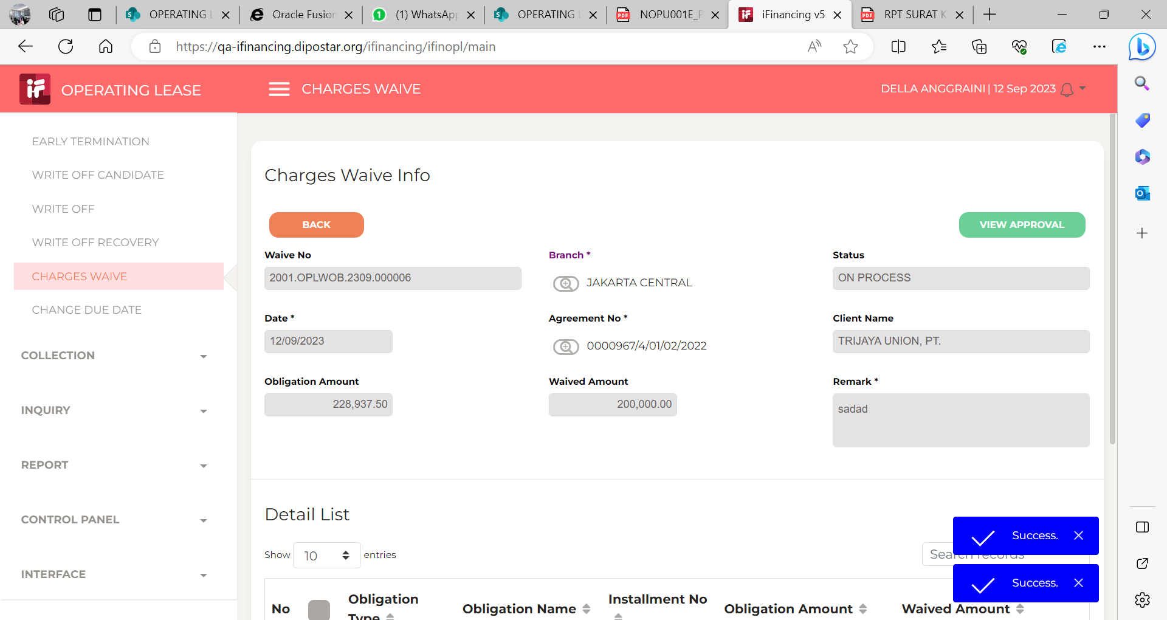

2

 | 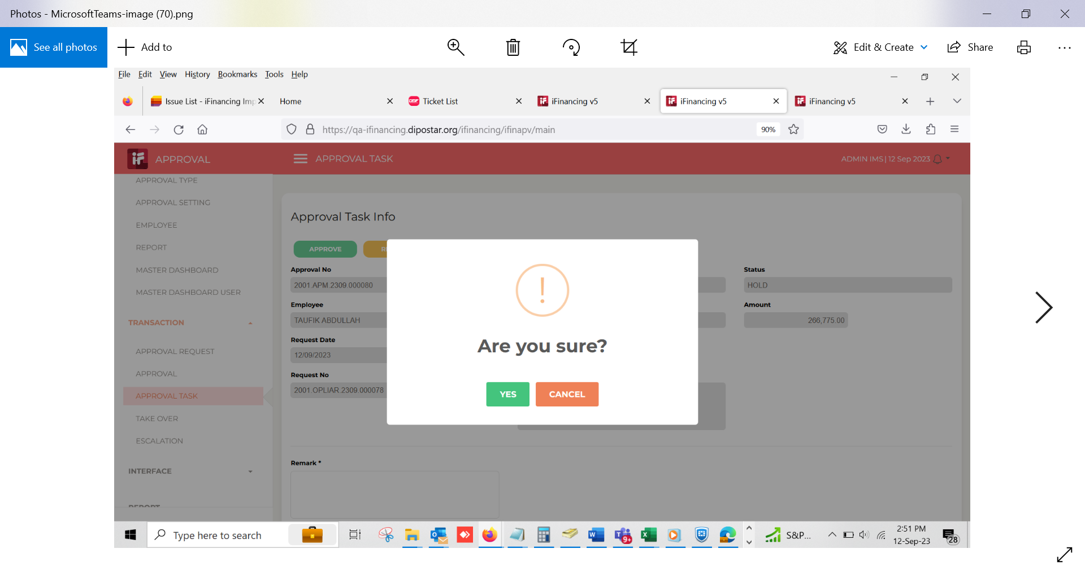

3

 | 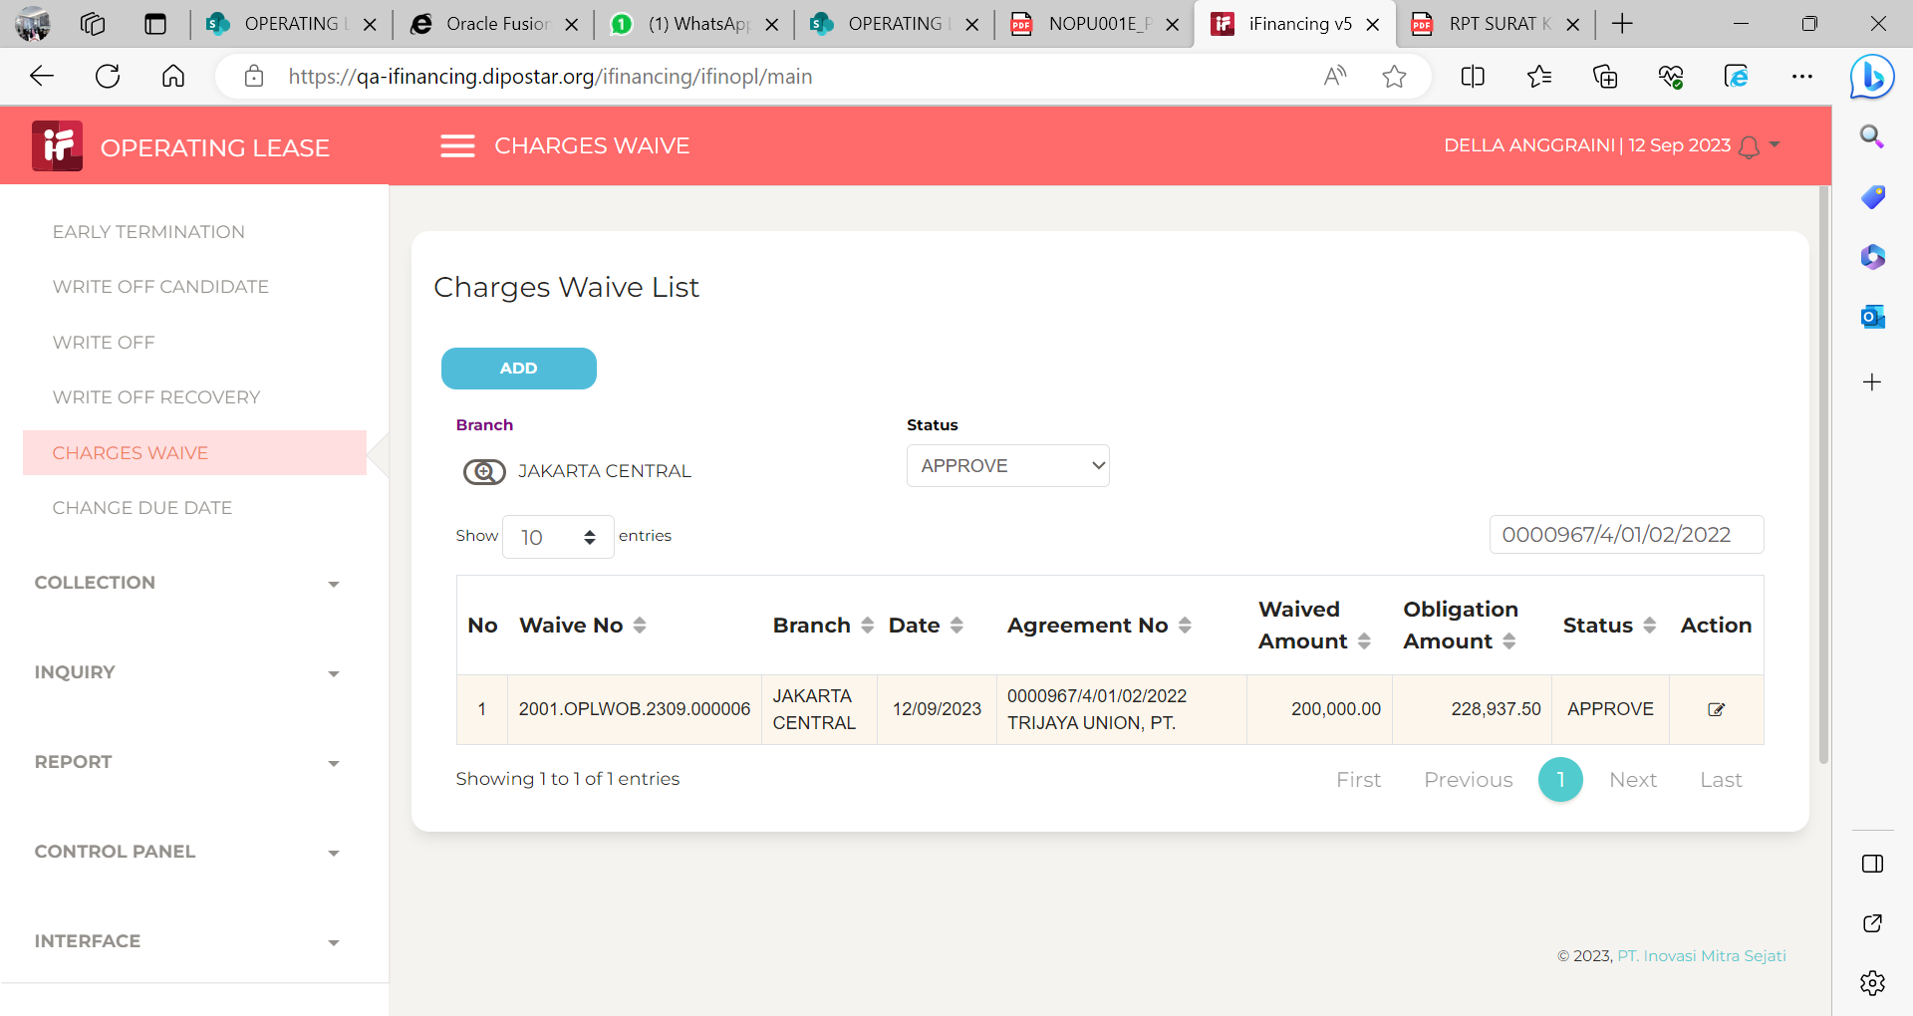

4
 | 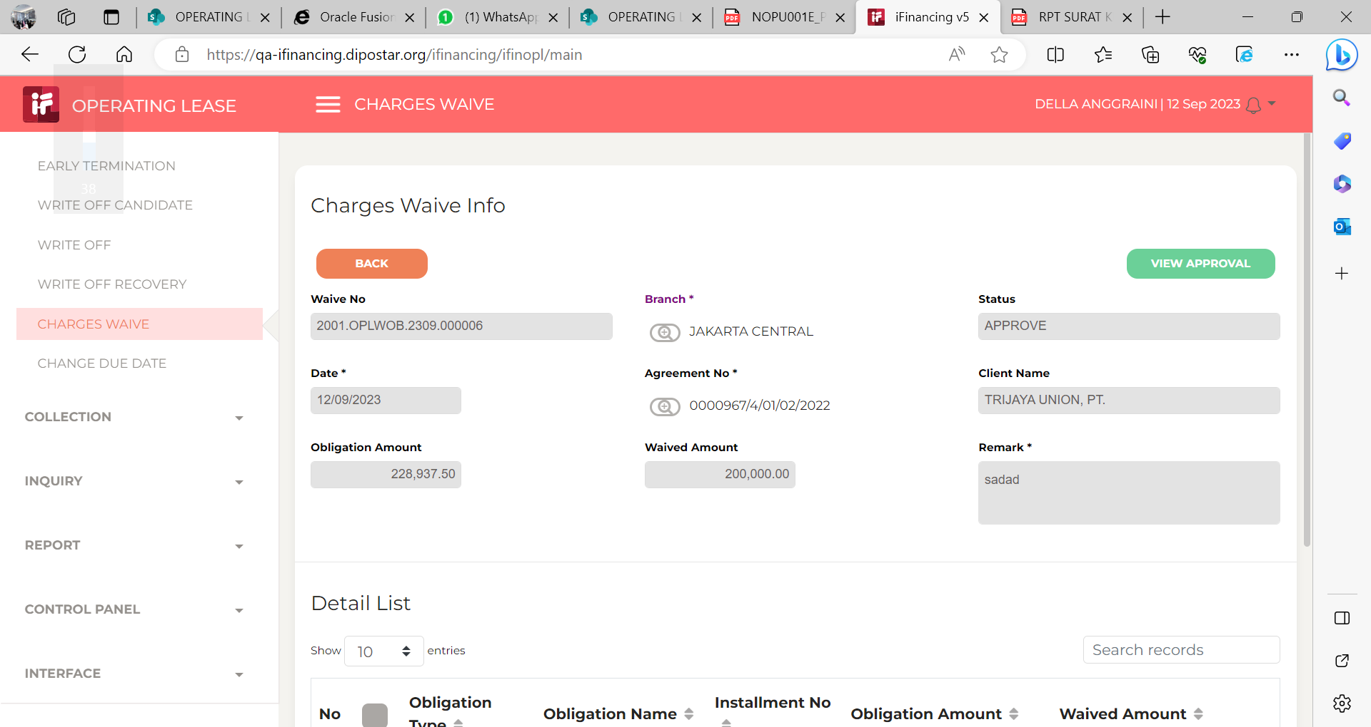

5

6

7

8

9

10

11

13

14

15

16

17

18

19

20

21

22

36

37

38

39

41

43

44

45

46

EVD_OPL 17-01 Hanny
Test Case ID
Test Case Summary | Lakukan Waive pada Contract Obligation

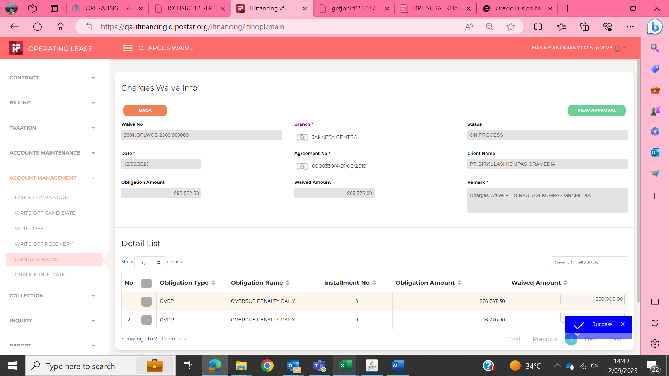
Step # | Test Evidence | Re-Test Evidence (if found Bug/Issue)
1

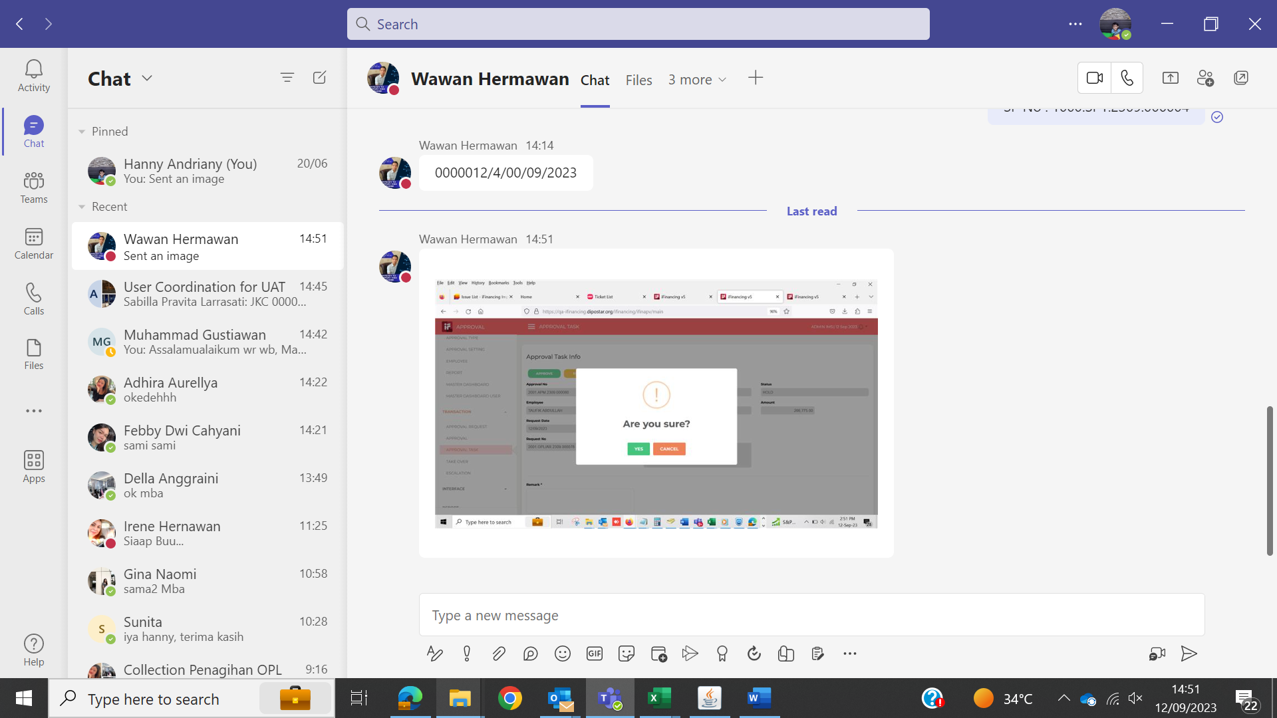
2

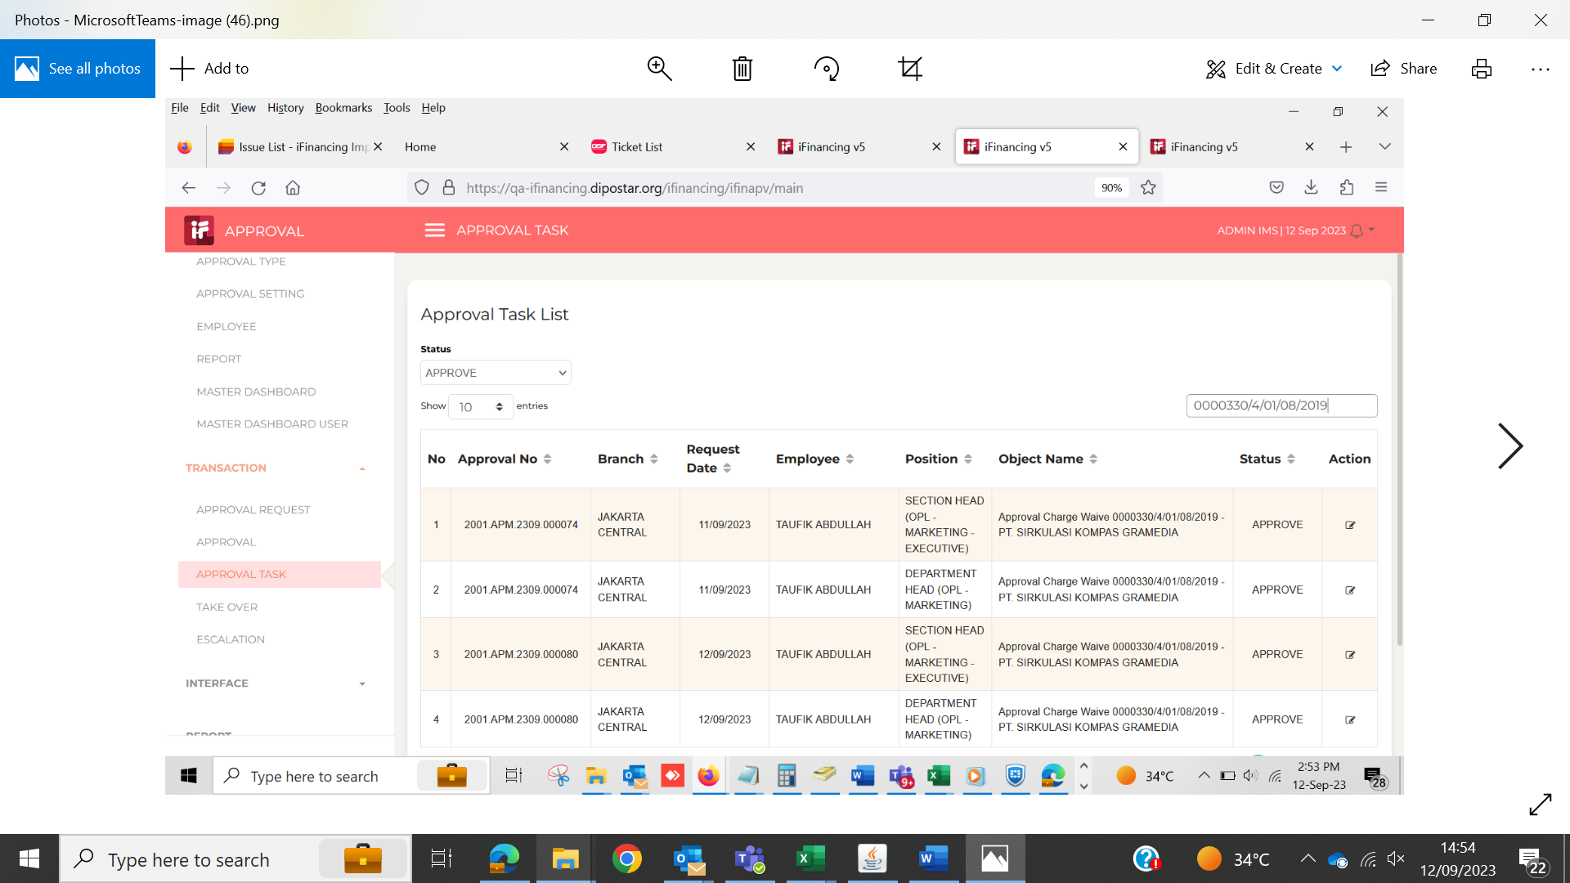
3

4

5

6

7

8

9

10

11

13

14

15

16

17

18

19

20

21

22

36

37

38

39

41

43

44

45

46

